ORGANIGRAM
For example:
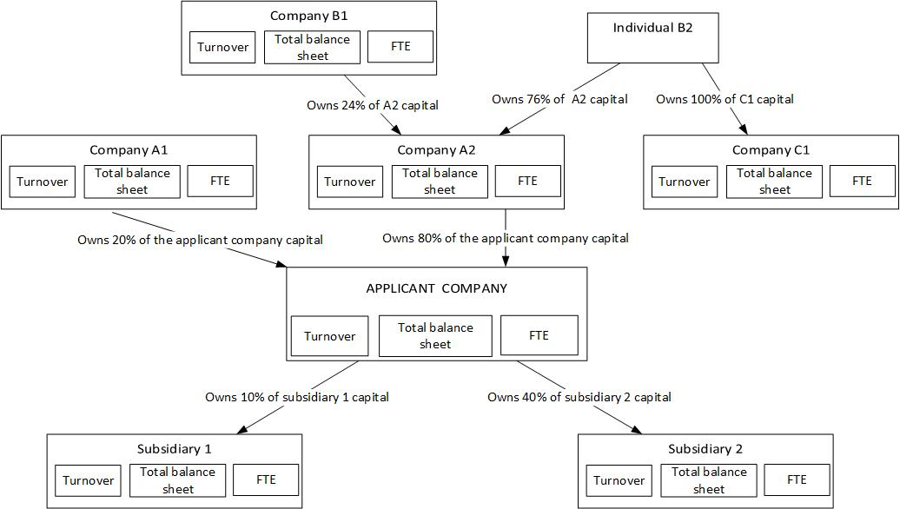

For this example: sample calculation and explanations:
Businesses | % of voting rights to be considered for turnover, balance sheet total and FTE number of staff : | reasons
Applicant business | 100% | applicant business
Business A1 | 0% | equity holding < 25% in the applicant business
Business A2 | 100% | equity holding > 50% in the applicant business
Business B1 | 0% | equity holding < 25% in the applicant business
Natural person B2 | 100% | equity holding > 50% in business A2
Business C1 | 100% | because equity holding of B2 > 50% in business C1
Subsidiary 1 | 0% | equity holding of applicant business < 25%
Subsidiary 2 | 40% | 25% < equity holding of applicant business < 50%

